Parts of a Control Chart
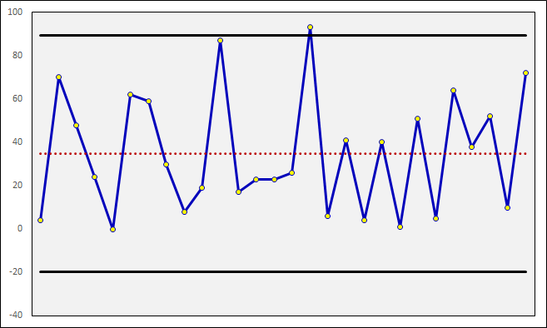
Upper Specification Limit

Data Series

Average

Lower Specification Limit

Making a control chart
Multiplier | 2.5

Data | Average | USL | LSL
4 | 34.89 | 103.08 | -33.29
70 | 34.89 | 103.08 | -33.29
48 | 34.89 | 103.08 | -33.29
24 | 34.89 | 103.08 | -33.29
0 | 34.89 | 103.08 | -33.29
62 | 34.89 | 103.08 | -33.29
59 | 34.89 | 103.08 | -33.29
30 | 34.89 | 103.08 | -33.29
8 | 34.89 | 103.08 | -33.29
19 | 34.89 | 103.08 | -33.29
87 | 34.89 | 103.08 | -33.29
17 | 34.89 | 103.08 | -33.29
23 | 34.89 | 103.08 | -33.29
23 | 34.89 | 103.08 | -33.29
26 | 34.89 | 103.08 | -33.29
93 | 34.89 | 103.08 | -33.29
6 | 34.89 | 103.08 | -33.29
41 | 34.89 | 103.08 | -33.29
4 | 34.89 | 103.08 | -33.29
40 | 34.89 | 103.08 | -33.29
1 | 34.89 | 103.08 | -33.29
51 | 34.89 | 103.08 | -33.29
5 | 34.89 | 103.08 | -33.29
64 | 34.89 | 103.08 | -33.29
38 | 34.89 | 103.08 | -33.29
52 | 34.89 | 103.08 | -33.29
10 | 34.89 | 103.08 | -33.29
72 | 34.89 | 103.08 | -33.29

